Read me
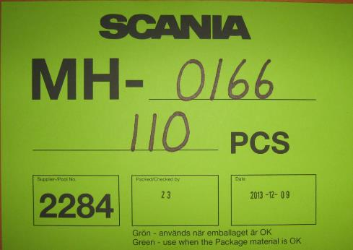


Instruction

 | Packaging label
Deviation packaging for standard - New packaging
If you receive a delivery of empty packing materials which includes for example wet, dirty or damaged material or if you receive wrong amount of packaging in the distribution unit, please fill in the deviation report on sheet "deviation" . Stop using the article, if it’s possible and not affect on the production. Stand the article/s in quarantine until the supplier/ Scania give you the right to continue / or not continue use the article/s.
We also need you to send us pictures of the packaging and also a picture of the label on the packaging so we can be able to find the source. See examples
It is important that you try to give us as much information as possible for us to be able to find the source.
The report needs to be sent not later than 24h after discovering the deviation.
Attach the deviation template and pictures in an E-mail and send it to: Eva.liedtke@scania.com or Sara.ohlin@scania.com

